Cover Page
SUPRAX® 8488 Borosilicate Glass

- Refractive Index
- Internal Transmittance
- 2026-01

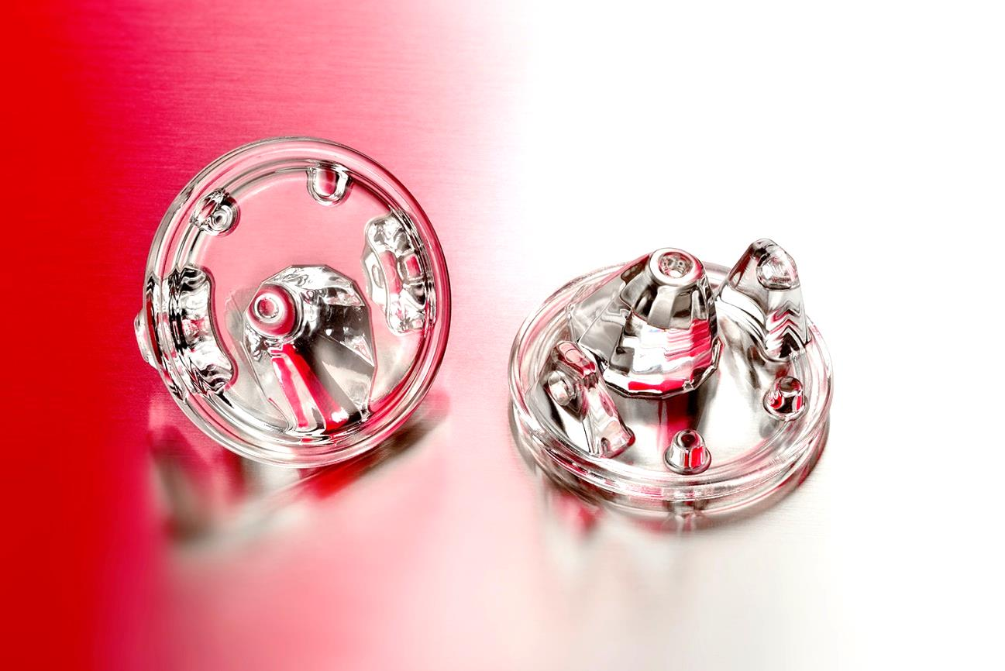
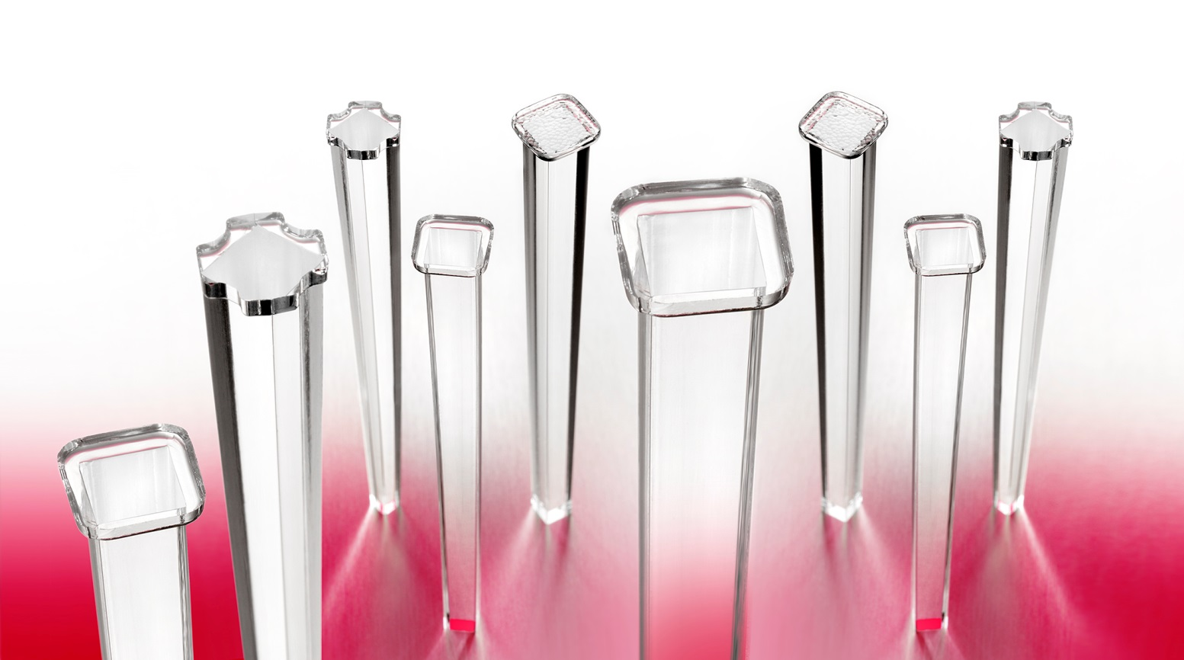
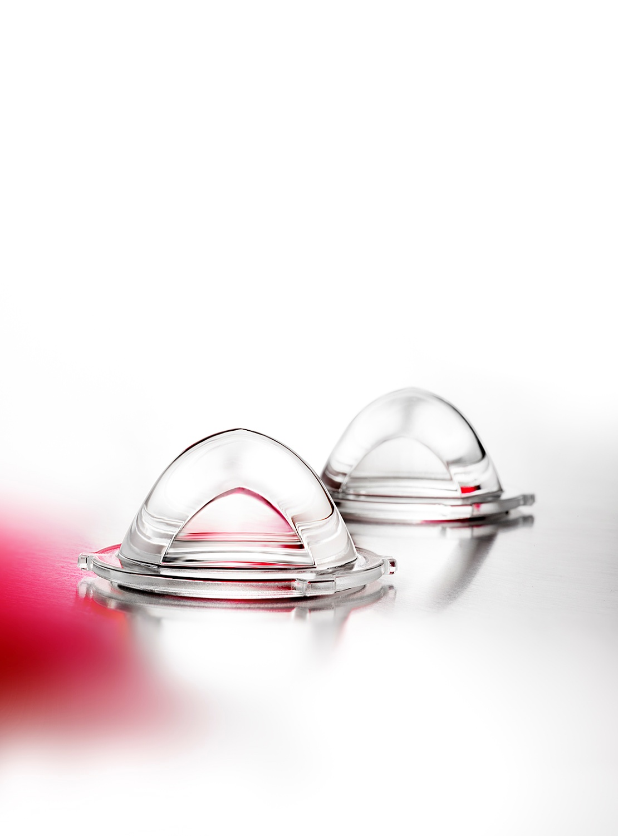

Auer Lighting GmbH
Hildesheimer Str. 35
37581 Bad Gandersheim
Germany
T + 49 (0) 5382 701 · 0
F + 49 (0) 5382 701 · 451
info@auer-lighting.com
www.auer-lighting.com

